Cover Sheet


Test Scenarios and Script for SIT

Project Code | :
Project Name | : | Distribution Communication System
Project Manager | :
Latest Update | :

Version: <0.1>

Description: Test scenarios are high-level descriptions of functional and technical areas to be tested. Scenarios can be further broken down into sub-scenarios as required, until detailed, testable conditions and expected results can be determined. A test script details the exact steps a tester follows when executing a test (i.e., to test all the conditions), usually covering part of a test scenario. Each step of a test script has an associated test condition that can be traced back to a requirement item to provide traceability allowing the Tester to record the actual against the expected test result and provide commentary where appropriate. Test scripts will also include the data that is used for testing or reference external data files to be used. This Scenario & Script is specifically for System Integration Test. Role: Test Manager

Test Result Summary
Test Group | Test Scripts | Pass | Fail | Not Tested | Tested | Test Progress(%) | Test Completion(%)
Test Scripts (MANDATORY) | 129 | 129 | 0 | 0 | 129 | 100% | 100%

Total | 129 | 129 | 0 | 0 | 129 | 100% | 100%

Test Priority | Test Scripts | Pass | Fail | Not Tested | Tested | Test Progress(%) | Test Completion(%)
Critical | 18 | 18 | 0 | 0 | 18 | 100% | 100%
High | 27 | 27 | 0 | 0 | 27 | 100% | 100%
Medium | 43 | 43 | 0 | 0 | 43 | 100% | 100%
Low | 41 | 41 | 0 | 0 | 41 | 100% | 100%
Total | 129 | 129 | 0 | 0 | 129 | 100% | 100%

Type of Testing | Test Scripts | Pass | Fail | Not Tested | Tested | Test Progress(%) | Test Completion(%)
Positive | 86 | 86 | 0 | 0 | 86 | 100% | 100%
Negative | 43 | 43 | 0 | 0 | 43 | 100% | 100%
Total | 129 | 129 | 0 | 0 | 129 | 100% | 100%

How To

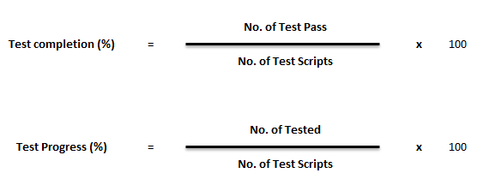

RAG | Test completion / Progress (%)
Red | 0% until 79%
Amber | 80 % until 99%
Green | 100%

